Picture
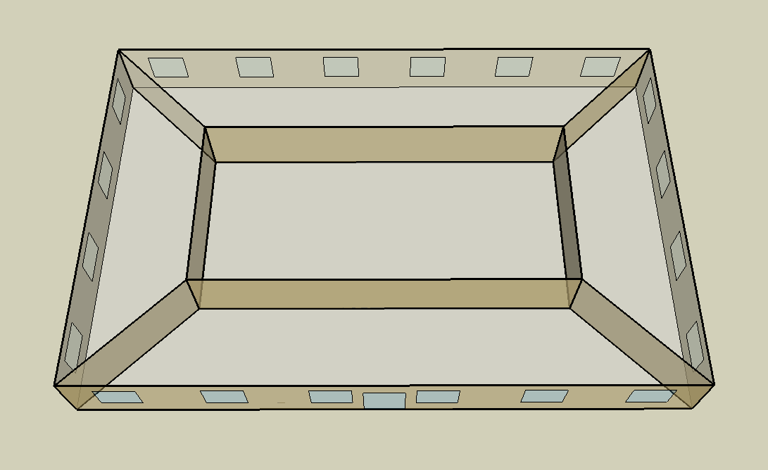
DOE Commercial Building Benchmark - Small Office

Electricity
 | Cooling | Interior Lighting | Exterior Lighting | Interior Equipment | Fans
Miami | 31,125.00 | 28,511.11 | 5,083.33 | 18,275.00 | 14,144.44
Houston | 21,336.11 | 28,511.11 | 5,080.56 | 18,275.00 | 14,983.33
Phoenix | 22,702.78 | 28,511.11 | 5,080.56 | 18,275.00 | 15,308.33
Atlanta | 12,991.67 | 28,511.11 | 5,080.56 | 18,275.00 | 17,350.00
Los Angeles | 9,022.22 | 28,511.11 | 5,075.00 | 18,275.00 | 12,955.56
Las Vegas | 15,672.22 | 28,511.11 | 5,075.00 | 18,275.00 | 15,444.44
San Francisco | 2,563.89 | 28,511.11 | 5,077.78 | 18,275.00 | 11,977.78
Baltimore | 9,716.67 | 28,511.11 | 5,075.00 | 18,275.00 | 18,405.56
Albuquerque | 8,958.33 | 28,511.11 | 5,075.00 | 18,275.00 | 18,725.00
Seattle | 2,469.44 | 28,511.11 | 5,066.67 | 18,275.00 | 14,672.22
Chicago | 8,180.56 | 28,511.11 | 5,075.00 | 18,275.00 | 23,638.89
Boulder | 5,897.22 | 28,511.11 | 5,072.22 | 18,275.00 | 23,177.78
Minneapolis | 7,233.33 | 28,511.11 | 5,072.22 | 18,275.00 | 26,066.67
Helena | 4,222.22 | 28,511.11 | 5,069.44 | 18,275.00 | 26,819.44
Duluth | 3,433.33 | 28,511.11 | 5,066.67 | 18,275.00 | 28,025.00
Fairbanks | 2,658.33 | 28,511.11 | 5,036.11 | 18,275.00 | 36,058.33

Gas
 | Heating | Water Systems
Miami | 850.00 | 10,950.00
Houston | 37,760.00 | 11,360.00
Phoenix | 20,550.00 | 11,120.00
Atlanta | 79,560.00 | 11,750.00
Los Angeles | 13,200.00 | 11,680.00
Las Vegas | 42,110.00 | 11,410.00
San Francisco | 52,410.00 | 12,010.00
Baltimore | 129,790.00 | 12,060.00
Albuquerque | 89,390.00 | 12,000.00
Seattle | 105,920.00 | 12,220.00
Chicago | 181,200.00 | 12,330.00
Boulder | 130,520.00 | 12,320.00
Minneapolis | 239,840.00 | 12,570.00
Helena | 186,920.00 | 12,610.00
Duluth | 296,500.00 | 12,950.00
Fairbanks | 533,640.00 | 13,420.00

EUI
 | Cooling (elec) | Interior Lighting (elec) | Exterior Lighting (elec) | Interior Equipment (elec) | Fans (elec) | Heating (gas) | Water Systems (gas)
Miami | 219.21 | 200.80 | 35.80 | 128.71 | 99.62 | 1.66 | 21.42
Houston | 150.27 | 200.80 | 35.78 | 128.71 | 105.52 | 73.87 | 22.22
Phoenix | 159.89 | 200.80 | 35.78 | 128.71 | 107.81 | 40.20 | 21.75
Atlanta | 91.50 | 200.80 | 35.78 | 128.71 | 122.19 | 155.65 | 22.99
Los Angeles | 63.54 | 200.80 | 35.74 | 128.71 | 91.24 | 25.82 | 22.85
Las Vegas | 110.38 | 200.80 | 35.74 | 128.71 | 108.77 | 82.38 | 22.32
San Francisco | 18.06 | 200.80 | 35.76 | 128.71 | 84.36 | 102.53 | 23.50
Baltimore | 68.43 | 200.80 | 35.74 | 128.71 | 129.63 | 253.91 | 23.59
Albuquerque | 63.09 | 200.80 | 35.74 | 128.71 | 131.88 | 174.88 | 23.48
Seattle | 17.39 | 200.80 | 35.68 | 128.71 | 103.33 | 207.21 | 23.91
Chicago | 57.61 | 200.80 | 35.74 | 128.71 | 166.48 | 354.49 | 24.12
Boulder | 41.53 | 200.80 | 35.72 | 128.71 | 163.24 | 255.34 | 24.10
Minneapolis | 50.94 | 200.80 | 35.72 | 128.71 | 183.58 | 469.21 | 24.59
Helena | 29.74 | 200.80 | 35.70 | 128.71 | 188.88 | 365.68 | 24.67
Duluth | 24.18 | 200.80 | 35.68 | 128.71 | 197.37 | 580.05 | 25.33
Fairbanks | 18.72 | 200.80 | 35.47 | 128.71 | 253.95 | 1043.98 | 26.25

Water
 | Total Building | Water for Electricity (m3)
Miami | 17.63 | 51.46
Houston | 17.63 | 143.49
Phoenix | 17.63 | 2,669.72
Atlanta | 17.63 | 513.27
Los Angeles | 17.63 | 1,296.47
Las Vegas | 17.63 | 2,276.37
San Francisco | 17.63 | 1,165.92
Baltimore | 17.63 | 18.16
Albuquerque | 17.63 | 361.20
Seattle | 17.63 | 704.90
Chicago | 17.63 | 129.82
Boulder | 17.63 | 367.50
Minneapolis | 17.63 | 132.12
Helena | 17.63 | 5,251.11
Duluth | 17.63 | 129.25
Fairbanks | 17.63 | 92.50

Carbon
 | Carbon Equivalent (kg)
Miami | 26,853.16
Houston | 30,300.87
Phoenix | 27,702.62
Atlanta | 26,969.43
Los Angeles | 9,078.08
Las Vegas | 28,950.78
San Francisco | 8,922.07
Baltimore | 24,141.60
Albuquerque | 34,322.79
Seattle | 7,155.52
Chicago | 48,103.68
Boulder | 35,637.02
Minneapolis | 33,700.60
Helena | 33,892.13
Duluth | 34,097.63
Fairbanks | 35,341.91

LtgSch
Lighting Schedules
 | WD | Sat | Sun, Hol, Other
 | 0.05 | 0.05 | 0.05
 | 0.05 | 0.05 | 0.05
 | 0.05 | 0.05 | 0.05
 | 0.05 | 0.05 | 0.05
 | 0.05 | 0.05 | 0.05
 | 0.1 | 0.05 | 0.05
 | 0.1 | 0.1 | 0.05
 | 0.3 | 0.1 | 0.05
 | 0.9 | 0.3 | 0.05
 | 0.9 | 0.3 | 0.05
 | 0.9 | 0.3 | 0.05
 | 0.9 | 0.3 | 0.05
 | 0.9 | 0.15 | 0.05
 | 0.9 | 0.15 | 0.05
 | 0.9 | 0.15 | 0.05
 | 0.9 | 0.15 | 0.05
 | 0.9 | 0.15 | 0.05
 | 0.5 | 0.05 | 0.05
 | 0.3 | 0.05 | 0.05
 | 0.3 | 0.05 | 0.05
 | 0.2 | 0.05 | 0.05
 | 0.2 | 0.05 | 0.05
 | 0.1 | 0.05 | 0.05
 | 0.05 | 0.05 | 0.05

OccSch
Occupancy Schedules
 | WD | Sat | Sun, Hol, Other
 | 0 | 0 | 0
 | 0 | 0 | 0
 | 0 | 0 | 0
 | 0 | 0 | 0
 | 0 | 0 | 0
 | 0 | 0 | 0
 | 0.1 | 0.1 | 0
 | 0.2 | 0.1 | 0
 | 0.95 | 0.3 | 0
 | 0.95 | 0.3 | 0
 | 0.95 | 0.3 | 0
 | 0.95 | 0.3 | 0
 | 0.5 | 0.1 | 0
 | 0.95 | 0.1 | 0
 | 0.95 | 0.1 | 0
 | 0.95 | 0.1 | 0
 | 0.95 | 0.1 | 0
 | 0.3 | 0 | 0
 | 0.1 | 0 | 0
 | 0.1 | 0 | 0
 | 0.05 | 0 | 0
 | 0.05 | 0 | 0
 | 0.05 | 0 | 0
 | 0.05 | 0 | 0

EqpSch
Equipment Schedules
 | WD | Sat | Sun, Hol, Other
 | 0.4 | 0.3 | 0.3
 | 0.4 | 0.3 | 0.3
 | 0.4 | 0.3 | 0.3
 | 0.4 | 0.3 | 0.3
 | 0.4 | 0.3 | 0.3
 | 0.4 | 0.3 | 0.3
 | 0.4 | 0.4 | 0.3
 | 0.4 | 0.4 | 0.3
 | 0.9 | 0.5 | 0.3
 | 0.9 | 0.5 | 0.3
 | 0.9 | 0.5 | 0.3
 | 0.9 | 0.5 | 0.3
 | 0.8 | 0.35 | 0.3
 | 0.9 | 0.35 | 0.3
 | 0.9 | 0.35 | 0.3
 | 0.9 | 0.35 | 0.3
 | 0.9 | 0.35 | 0.3
 | 0.5 | 0.3 | 0.3
 | 0.4 | 0.3 | 0.3
 | 0.4 | 0.3 | 0.3
 | 0.4 | 0.3 | 0.3
 | 0.4 | 0.3 | 0.3
 | 0.4 | 0.3 | 0.3
 | 0.4 | 0.3 | 0.3

HeatSch
Heating Set Point Schedules
 | WD | Sat | WinterDesign
 | 15.6 | 15.6 | 21
 | 15.6 | 15.6 | 21
 | 15.6 | 15.6 | 21
 | 15.6 | 15.6 | 21
 | 15.6 | 15.6 | 21
 | 21 | 15.6 | 21
 | 21 | 21 | 21
 | 21 | 21 | 21
 | 21 | 21 | 21
 | 21 | 21 | 21
 | 21 | 21 | 21
 | 21 | 21 | 21
 | 21 | 21 | 21
 | 21 | 21 | 21
 | 21 | 21 | 21
 | 21 | 21 | 21
 | 21 | 21 | 21
 | 21 | 15.6 | 21
 | 21 | 15.6 | 21
 | 15.6 | 15.6 | 21
 | 15.6 | 15.6 | 21
 | 15.6 | 15.6 | 21
 | 15.6 | 15.6 | 21
 | 15.6 | 15.6 | 21

CoolSch
Cooling Set Point Schedules
 | WD, SummerDesign | Sat | Sun, Hol, Other
 | 30 | 30 | 30
 | 30 | 30 | 30
 | 30 | 30 | 30
 | 30 | 30 | 30
 | 30 | 30 | 30
 | 30 | 30 | 30
 | 24 | 24 | 30
 | 24 | 24 | 30
 | 24 | 24 | 30
 | 24 | 24 | 30
 | 24 | 24 | 30
 | 24 | 24 | 30
 | 24 | 24 | 30
 | 24 | 24 | 30
 | 24 | 24 | 30
 | 24 | 24 | 30
 | 24 | 24 | 30
 | 24 | 24 | 30
 | 24 | 30 | 30
 | 24 | 30 | 30
 | 24 | 30 | 30
 | 24 | 30 | 30
 | 30 | 30 | 30
 | 30 | 30 | 30

